Sheet1
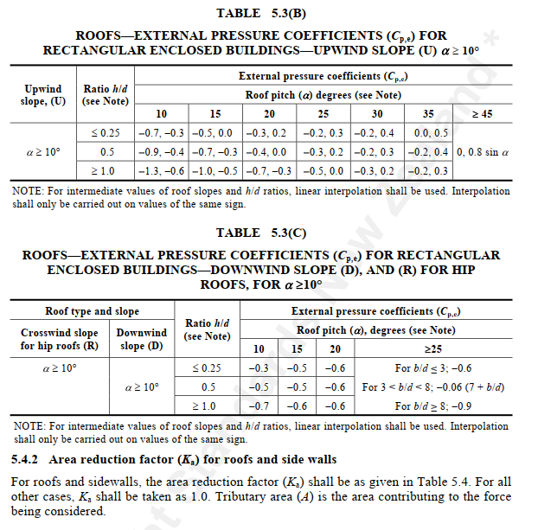

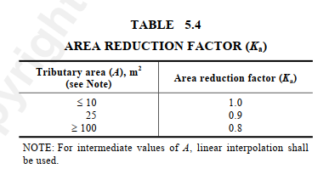
x
b1
b2
A
I
B
J
h1
h2
h3
H
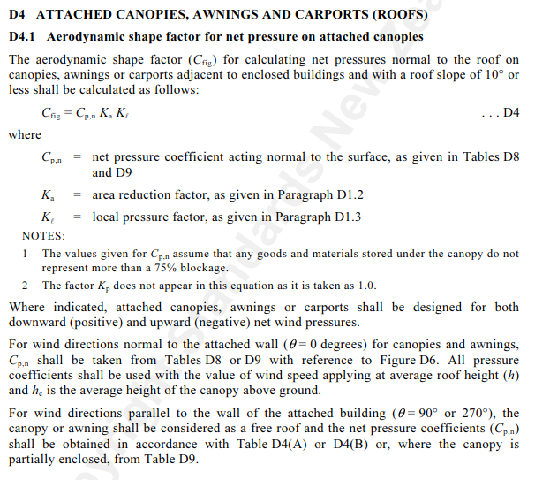
 |  |  |  |  |  |  |  |  |  |  |  |  |  |  |  |  |  | General graph |  |  |  |  |  |  |  | Node | x | y | z
 | h1 |  | = | 4000 |  |  |  |  |  |  |  |  |  |  |  |  |  |  |  |  |  |  | x |  |  | 1 | #REF! | #REF! | 0
 | h2 |  | = | 4874.8866353 |  |  |  |  |  |  |  |  |  |  | Base Left | 0 | 0 | x | y |  | 0 |  |  |  |  | 2 | #REF! | #REF! | 0
 | h3 |  | = | 4000 |  |  |  |  |  |  |  |  |  |  | LeftKnee | 0 | 4 | 0 | 0.0 |  |  | o to 0.5h | 2.22 |  |  | 3 | #REF! | #REF! | 0
 | x |  | = | 0 |  |  |  |  |  |  |  |  |  |  | Apex | 10 | 4.8748866353 | 0 | 4.0 |  |  | 0.5 to 1h | 4.44 |  |  | 4 | #REF! | #REF! | 0
 |  |  |  |  |  |  |  |  |  |  |  |  |  |  | Right Knee | 20 | 4 | 0.0 | 4.00 |  |  | 1h to 2h | 8.87 |  |  | 5 | #REF! | #REF! | 0
 | b1 |  | = | 10000 |  |  |  |  |  |  |  |  |  |  | Base Right | 20 | 0 | 10 | 4.8749 |  |  | 2h to 3h | 13.31
 | b2 |  | = | 10000 |  |  |  |  |  |  |  |  |  |  |  |  |  | 20 | 4.0000 |  |  | Apex | 10.00
 |  |  |  |  |  |  |  |  |  |  |  |  |  |  | From Left 0.5h | 2.22 | 4.1941129927 | 20 | 0 |  |  | Right Knee | 20.00
 | Roof angle |  | = | 0.0872664626 |  | Radient |  | 5 |  | degree |  |  |  |  | From Left 1h | 4.44 | 4.3882259853
 |  |  |  | 0.087 |  | Radient |  | 5 |  | degree |  |  |  |  | From Left 2h | 8.87 | 4.7764519707
 |  |  |  |  |  |  |  |  |  |  |  |  |  |  | From Left 3h | 13.31 | 4.5850953145
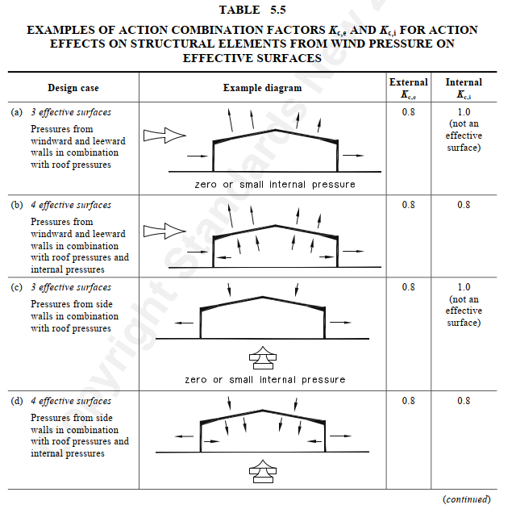
 | Wind Pressure
 |  |  |  |  |  |  |  |  |  |  |  |  |  |  | From Right 0.5h | 17.78 | 4.1941129927
 |  | qu | = | 1.20 | kPa |  | Length of building |  |  |  | = | 50000 | mm |  | From Right 1h | 15.56 | 4.3882259853
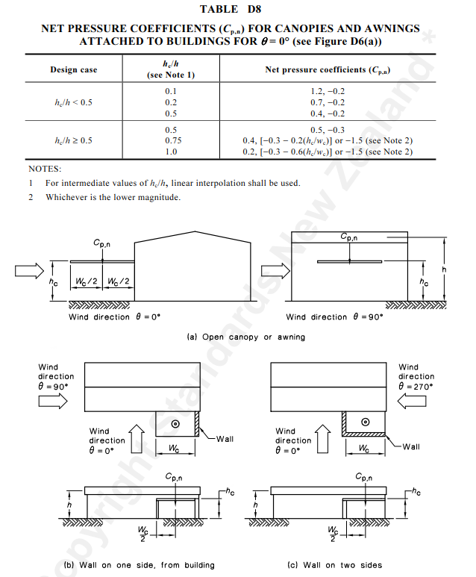
 |  | qs | = | 0.90 | kPa |  | Width of building |  |  |  | = | 20000 | mm |  | From Right 2h | 11.13 | 4.7764519707
 |  |  |  |  |  |  |  |  |  |  |  |  |  |  | From Right 3h | 6.69 | 4.5850953145
 | h avg |  | = | 4437.4433176 | mm

 |  |  |  |  |  |  |  |  |  |  |  |  |  |  | Bay Spacing | 6 | m
E
A
D
F
I
B
C
J
G
H
Schematic Diagram

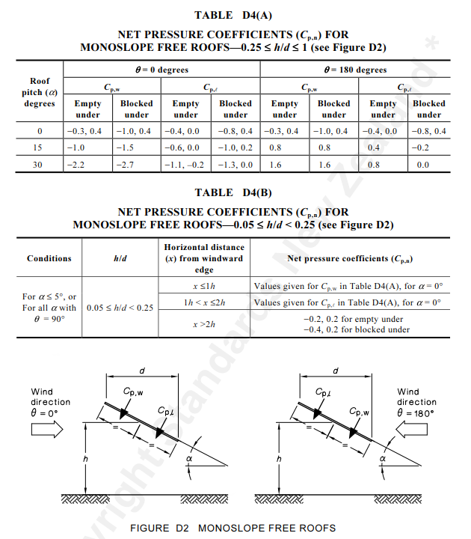

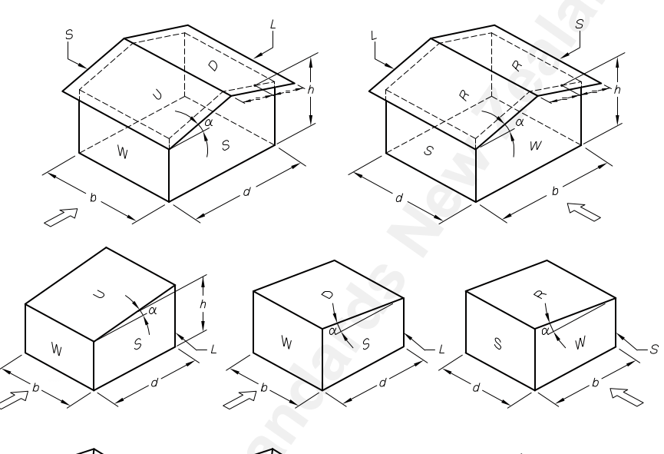

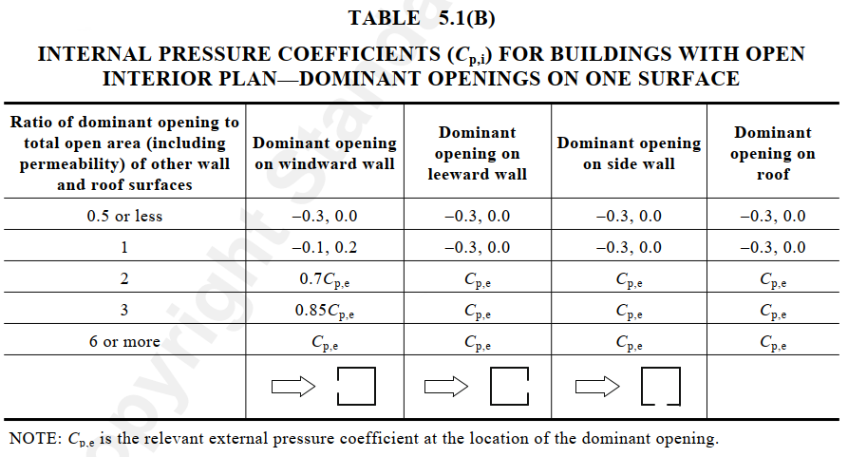

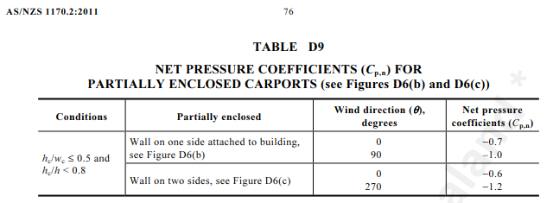

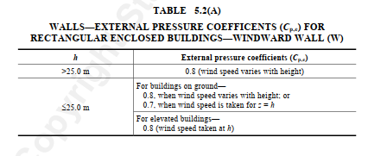

Case |  | 1 |  | Ѳ | = | 0 | Max Upward

E
A
D
F
I
B
C
J
G
H
K
Schematic Diagram
Wind ULS |  |  | 1.20 |  | kPa
Wind SLS |  |  | 0.90 |  | kPa

b |  | = | 50000 | mm
d |  | = | 20000 | mm
h avg |  | = | 4437.4433176 | mm

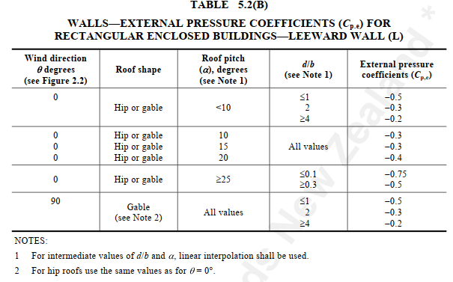
d/b |  | = | 0.40
h/d |  | = | 0.22

o to 0.5h |  | = | 2.22 | m | -0.9
0.5 to 1h |  | = | 4.44 | m | -0.9 |  |  | Kc,e | = | 0.8
1h to 2h |  | = | 8.87 | m | -0.5 |  |  | Kc,i | = | 1
2h to 3h |  | = | 13.31 | m | -0.3
> 3h |  | = |  | m | -0.3

 |  |  |  |  |  |  |  |  |  |  |  |  |  |  |  |  |  |  | case | range | pressure | Load Category
 |  |  |  |  |  |  |  |  |  |  |  |  |  |  |  |  |  |  | 2 | 100 | -0.1 | G.roof | Dead Load
 |  |  |  |  |  |  |  |  |  |  |  |  |  |  |  |  |  |  | 3 | 100 | -0.15 | G.wall
 |  |  |  |  |  |  |  |  |  |  |  |  |  |  |  |  |  |  | 6 | 100 | -0.25 | Q.roof | Live Load
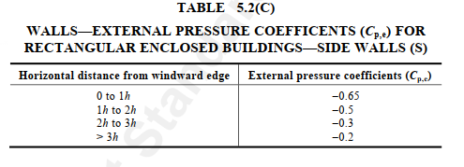

 |  |  |  |  |  |  |  |  |  |  |  |  |  |  |  |  |  |  | Case number offset |  | 7

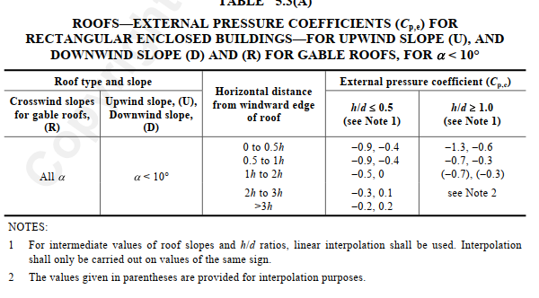
Element |  |  | Length (m) |  |  | Cpe | Cpi |  | Cfig | Wu |  | Ws
 |  |  |  |  |  |  |  |  |  | (kPa) |  | (kPa) |  | Load kN/m
RW | AB |  | 4 |  |  | 0.70 | 0.20 |  | 0.36 | 0.43 |  | 0.32 |  | 2.592

LC | No canopy |  | 0 |  |  |  |  |  | #DIV/0! | #DIV/0! |  | #DIV/0! |  | #DIV/0!
RC | No canopy |  |  |  |  |  |  |  |  | N/A |  | N/A
 |  |  |  |  |  |  |  |  |  |  |  |  |  |  |  |  |  |  | Case | Range | Pressure | Load Category
RF | o to 0.5h |  | 2.22 | OK |  | -0.90 | 0.20 |  | -0.92 | -1.10 |  | -0.83 |  | -6.624 |  |  |  |  | 8 | 2.22 | 1.10 | Roof
RF | 0.5 to 1h |  | 4.44 | OK |  | -0.90 | 0.20 |  | -0.92 | -1.10 |  | -0.83 |  | -6.624 |  |  |  |  | 8 | 4.44 | 1.10 | Roof
RF | 1h to 2h |  | 8.87 | OK |  | -0.50 | 0.20 |  | -0.60 | -0.72 |  | -0.54 |  | -4.32 |  |  |  |  | 8 | 8.87 | 0.72 | Roof
RF | 2h to 3h |  | 13.31 | OK |  | -0.30 | 0.20 |  | -0.44 | -0.53 |  | -0.40 |  | -3.168 |  |  |  |  | 8 | 13.31 | 0.53 | Roof
RF | > 3h |  |  | OK |  | -0.30 | 0.20 |  | -0.44 | -0.53 |  | -0.40 |  | -3.168 |  |  |  |  | 8 | 100.00 | 0.53 | Roof
 |  |  |  |  |  |  |  |  |  |  |  |  |  |  |  |  |  |  | 8 | 100 | -0.43 | Windward
LW | HI |  | 4 |  |  | -0.20 | 0.20 |  | -0.36 | -0.43 |  | -0.32 |  |  |  |  |  |  | 8 | 100 | 0.43 | Leeward

Side | 0 to 1h |  | 4.44 |  |  | -0.65 | 0.20 |  | -0.72 | -0.86 |  | -0.65
 | 1h to 2h |  | 8.87 |  |  | -0.50 | 0.20 |  | -0.60 | -0.72 |  | -0.54
 | 2h to 3h |  | 13.31 |  |  | -0.30 | 0.20 |  | -0.44 | -0.53 |  | -0.40
 | >3h |  |  |  |  | -0.20 | 0.20 |  | -0.36 | -0.43 |  | -0.32
Case |  | 2 |  | Ѳ | = | 180 | Max Upward
 |  |  |  |  |  |  |  |  |  |  |  |  |  |  |  |  |  |  |  |  |  |  |  |  |  |  | 0
Wind ULS |  |  | 1.20 |  | kPa |  |  |  |  |  |  |  |  |  |  |  |  |  |  |  |  |  |  |  |  |  | 5.235
E
A
D
F
I
B
C
J
G
H
K
Schematic Diagram
Wind SLS |  |  | 0.90 |  | kPa |  |  |  |  |  |  |  |  |  |  |  |  |  |  |  |  |  |  |  |  |  | 10.765
 |  |  |  |  |  |  |  |  |  |  |  |  |  |  |  |  |  |  |  |  |  |  |  |  |  |  | 11.655
b |  | = | 50000 | mm |  |  |  |  |  |  |  |  |  |  |  |  |  |  |  |  |  |  |  |  |  |  | 14.865
d |  | = | 20000 | mm |  |  |  |  |  |  |  |  |  |  |  |  |  |  |  |  |  |  |  |  |  |  | 18.075
h avg |  | = | 4437.4433176 | mm

d/b |  | = | 0.40
h/d |  | = | 0.22

o to 0.5h |  | = | 2.22 | m | -0.9
0.5 to 1h |  | = | 4.44 | m | -0.9 |  |  | Kc,e | = | 0.8
1h to 2h |  | = | 8.87 | m | -0.5 |  |  | Kc,i | = | 1
2h to 3h |  | = | 13.31 | m | -0.3
> 3h |  | = |  | m | -0.3

Element |  |  | Length |  |  | Cpe | Ci |  | Cfig | Wu |  | Ws
 |  |  |  |  |  |  |  |  |  | (kPa) |  | (kPa)
RW | HI |  | 4 |  |  | 0.70 | 0.20 |  | 0.36 | 0.43 |  | 0.32

LC | No canopy |  | 0 |  |  |  |  |  | #DIV/0! | N/A |  | N/A |  | #VALUE!
RC | No canopy |  | 0 |  |  |  |  |  |  | N/A |  | N/A
 |  |  |  |  |  |  |  |  |  |  |  |  |  |  |  |  |  |  | Case | Range | Pressure | Load Category
RF | o to 0.5h |  | 2.22 | OK |  | -0.90 | 0.20 |  | -0.92 | -1.10 |  | -0.83 |  |  |  |  |  |  | 9 | 2.22 | 1.10 | Roof
RF | 0.5 to 1h |  | 4.44 | OK |  | -0.90 | 0.20 |  | -0.92 | -1.10 |  | -0.83 |  |  |  |  |  |  | 9 | 4.44 | 1.10 | Roof
RF | 1h to 2h |  | 8.87 | OK |  | -0.50 | 0.20 |  | -0.60 | -0.72 |  | -0.54 |  |  |  |  |  |  | 9 | 8.87 | 0.72 | Roof
RF | 2h to 3h |  | 13.31 | OK |  | -0.30 | 0.20 |  | -0.44 | -0.53 |  | -0.40 |  |  |  |  |  |  | 9 | 13.31 | 0.53 | Roof
RF | > 3h |  |  | OK |  | -0.30 | 0.20 |  | -0.44 | -0.53 |  | -0.40 |  |  |  |  |  |  | 9 | 100.00 | 0.53 | Roof
 |  |  |  |  |  |  |  |  |  |  |  |  |  |  |  |  |  |  | 9 | 100.00 | -0.43 | Windward
LW | AB |  |  |  |  | -0.20 | 0.20 |  | -0.36 | -0.43 |  | -0.32 |  |  |  |  |  |  | 9 | 100.00 | 0.43 | Leeward

Side | 0 to 1h |  | 4.44 |  |  | -0.65 | 0.20 |  | -0.72 | -0.86 |  | -0.65
 | 1h to 2h |  | 8.87 |  |  | -0.50 | 0.20 |  | -0.60 | -0.72 |  | -0.54
 | 2h to 3h |  | 13.31 |  |  | -0.30 | 0.20 |  | -0.44 | -0.53 |  | -0.40
 | >3h |  |  |  |  | -0.20 | 0.20 |  | -0.36 | -0.43 |  | -0.32

Case |  | 3 |  | Ѳ | = | 0 | Max Downward

E
A
D
F
I
B
C
J
G
H
K
Schematic Diagram
Wind ULS |  |  | 1.20 |  | kPa
Wind SLS |  |  | 0.90 |  | kPa

b |  | = | 50000 | mm
d |  | = | 20000 | mm
h avg |  | = | 4437.4433176 | mm

d/b |  | = | 0.40
h/d |  | = | 0.22

o to 0.5h |  | = | 2.22 | m | -0.4
0.5 to 1h |  | = | 4.44 | m | -0.4 |  |  | Kc,e | = | 0.8
1h to 2h |  | = | 8.87 | m | 0 |  |  | Kc,i | = | 1
2h to 3h |  | = | 13.31 | m | 0.1
> 3h |  | = |  | m | 0.2

Element |  |  | Length |  |  | Cpe | Ci |  | Cfig | Wu |  | Ws
 |  |  |  |  |  |  |  |  |  | (kPa) |  | (kPa)
RW | AB |  |  |  |  | 0.70 | -0.30 |  | 0.86 | 1.03 |  | 0.77

LC | No canopy |  | 0 |  |  |  |  |  | #DIV/0! | N/A |  | N/A |  | #VALUE!
RC | Canopy |  | 0 |  |  |  |  |  |  | N/A |  | N/A
 |  |  |  |  |  |  |  |  |  |  |  |  |  |  |  |  |  |  | Case | Range | Pressure | Load Category
RF | o to 0.5h |  | 2.22 | OK |  | -0.40 | -0.30 |  | -0.02 | -0.02 |  | -0.02 |  |  |  |  |  |  | 10 | 2.22 | 0.02 | Roof
RF | 0.5 to 1h |  | 4.44 | OK |  | -0.40 | -0.30 |  | -0.02 | -0.02 |  | -0.02 |  |  |  |  |  |  | 10 | 4.44 | 0.02 | Roof
RF | 1h to 2h |  | 8.87 | OK |  | 0.00 | -0.30 |  | 0.30 | 0.36 |  | 0.27 |  |  |  |  |  |  | 10 | 8.87 | -0.36 | Roof
RF | 2h to 3h |  | 13.31 | OK |  | 0.10 | -0.30 |  | 0.38 | 0.46 |  | 0.34 |  |  |  |  |  |  | 10 | 13.31 | -0.46 | Roof
RF | > 3h |  |  | OK |  | 0.20 | -0.30 |  | 0.46 | 0.55 |  | 0.41 |  |  |  |  |  |  | 10 | 100.00 | -0.55 | Roof
 |  |  |  |  |  |  |  |  |  |  |  |  |  |  |  |  |  |  | 10 | 100 | -1.03 | Windward
LW | HI |  |  |  |  | -0.20 | -0.30 |  | 0.14 | 0.17 |  | 0.13 |  |  |  |  |  |  | 10 | 100 | -0.17 | Leeward

Side | 0 to 1h |  | 4.44 |  |  | -0.65 | -0.30 |  | -0.22 | -0.26 |  | -0.20
 | 1h to 2h |  | 8.87 |  |  | -0.50 | -0.30 |  | -0.10 | -0.12 |  | -0.09
 | 2h to 3h |  | 13.31 |  |  | -0.30 | -0.30 |  | 0.06 | 0.07 |  | 0.05
 | >3h |  |  |  |  | -0.20 | -0.30 |  | 0.14 | 0.17 |  | 0.13

Case |  | 4 |  | Ѳ | = | 180 | Max Downward

E
A
D
F
I
B
C
J
G
H
Schematic Diagram
Wind ULS |  |  | 1.20 |  | kPa
Wind SLS |  |  | 0.90 |  | kPa

b |  | = | 50000 | mm
d |  | = | 20000 | mm
h avg |  | = | 4437.4433176 | mm

d/b |  | = | 0.40
h/d |  | = | 0.22

o to 0.5h |  | = | 2.22 | m | -0.4
0.5 to 1h |  | = | 4.44 | m | -0.4 |  |  | Kc,e | = | 0.8
1h to 2h |  | = | 8.87 | m | 0 |  |  | Kc,i | = | 1
2h to 3h |  | = | 13.31 | m | 0.1
> 3h |  | = |  | m | 0.2

Element |  |  | Length |  |  | Cpe | Ci |  | Cfig | Wu |  | Ws
 |  |  |  |  |  |  |  |  |  | (kPa) |  | (kPa)
RW | HI |  |  |  |  | 0.70 | -0.30 |  | 0.86 | 1.03 |  | 0.77

LC | No canopy |  | 0 |  |  |  |  |  | #DIV/0! | N/A |  | N/A |  | #VALUE!

 |  |  |  |  |  |  |  |  |  |  |  |  |  |  |  |  |  |  | Case | Range | Pressure | Load Category
RF | o to 0.5h |  | 2.22 | OK |  | -0.40 | -0.30 |  | -0.02 | -0.02 |  | -0.02 |  |  |  |  |  |  | 11 | 2.22 | 0.02 | Roof
RF | 0.5 to 1h |  | 4.44 | OK |  | -0.40 | -0.30 |  | -0.02 | -0.02 |  | -0.02 |  |  |  |  |  |  | 11 | 4.44 | 0.02 | Roof
RF | 1h to 2h |  | 8.87 | OK |  | 0.00 | -0.30 |  | 0.30 | 0.36 |  | 0.27 |  |  |  |  |  |  | 11 | 8.87 | -0.36 | Roof
RF | 2h to 3h |  | 13.31 | OK |  | 0.10 | -0.30 |  | 0.38 | 0.46 |  | 0.34 |  |  |  |  |  |  | 11 | 13.31 | -0.46 | Roof
RF | > 3h |  |  | OK |  | 0.20 | -0.30 |  | 0.46 | 0.55 |  | 0.41 |  |  |  |  |  |  | 11 | 100.00 | -0.55 | Roof
 |  |  |  |  |  |  |  |  |  |  |  |  |  |  |  |  |  |  | 11 | 100.00 | -1.03 | Windward
LW | AB |  |  |  |  | -0.20 | -0.30 |  | 0.14 | 0.17 |  | 0.13 |  |  |  |  |  |  | 11 | 100.00 | -0.17 | Leeward

Side | 0 to 1h |  | 4.44 |  |  | -0.65 | -0.30 |  | -0.22 | -0.26 |  | -0.20
 | 1h to 2h |  | 8.87 |  |  | -0.50 | -0.30 |  | -0.10 | -0.12 |  | -0.09
 | 2h to 3h |  | 13.31 |  |  | -0.30 | -0.30 |  | 0.06 | 0.07 |  | 0.05
 | >3h |  |  |  |  | -0.20 | -0.30 |  | 0.14 | 0.17 |  | 0.13

Case |  | 5 |  | Ѳ | = | 90 | Max Upward

E
A
D
F
I
B
C
J
G
H
K
Schematic Diagram
Wind ULS |  |  | 1.20 |  | kPa
Wind SLS |  |  | 0.90 |  | kPa

b |  | = | 20000 | mm
d |  | = | 50000 | mm
h avg |  | = | 4437.4433176 | mm
 |  |  |  |  |  |  |  |  |  |  | Along Z+
d/b |  | = | 2.50
h/d |  | = | 0.09

 |  |  |  |  |  |  |  | Kc,e | = | 0.8
 |  |  |  |  |  |  |  | Kc,i | = | 1

Element |  |  | Tributary width |  |  | Cpe | Ci |  | Cfig | Wu |  | Ws
 |  |  | (m) |  |  |  |  |  |  | (kPa) |  | (kPa)
RW | Front |  | 0.00 |  |  | 0.70 | 0.20 |  | 0.36 | 0.43 |  | 0.32

LC | No canopy |  | 0 |  |  |  |  |  | 0.40 | 0.48 |  | 0.36 |  | 2.88
RC | No canopy |  | 0 |  |  |  |  |  |  | N/A |  | N/A
 |  |  |  |  |  |  |  |  |  |  |  |  |  |  |  |  |  |  | Case | Range | Pressure | Load Category
Roof | o to 0.5h |  | 2.22 |  |  | -0.90 | 0.20 |  | -0.92 | -1.10 |  | -0.83 |  |  |  |  |  |  | 12 | 2.22 | 1.10 | Roof
 | 0.5 to 1h |  | 4.44 |  |  | -0.90 | 0.20 |  | -0.92 | -1.10 |  | -0.83 |  |  |  |  |  |  | 12 | 4.44 | 1.10 | Roof |  | x | y
 | 1h to 2h |  | 8.87 |  |  | -0.50 | 0.20 |  | -0.60 | -0.72 |  | -0.54 |  |  |  |  |  |  | 12 | 8.87 | 0.72 | Roof |  | 0 | -0.86
 | 2h to 3h |  | 13.31 |  |  | -0.30 | 0.20 |  | -0.44 | -0.53 |  | -0.40 |  |  |  |  |  |  | 12 | 13.31 | 0.53 | Roof |  | 4.44 | -0.86
 | > 3h |  |  |  |  | -0.20 | 0.20 |  | -0.36 | -0.43 |  | -0.32 |  |  |  |  |  |  | 12 | 100.00 | 0.43 | Roof |  | 4.44 | -0.72
 |  |  |  |  |  |  |  |  |  |  |  |  |  |  |  |  |  |  |  |  |  |  |  | 8.87 | -0.72
LW | Back |  | 0.00 |  |  | -0.30 | 0.20 |  | -0.44 | -0.53 |  | -0.40 |  |  |  |  |  |  |  |  |  |  |  | 8.87 | -0.53
 |  |  |  |  |  |  |  |  |  |  |  |  |  |  |  |  |  |  |  |  |  |  |  | 13.31 | -0.53
Side | 0 to 1h |  | 4.44 |  |  | -0.65 | 0.20 |  | -0.72 | -0.86 |  | -0.65 |  |  |  |  |  |  | 12 | 4.44 | 0.86 | Side |  | 13.31 | -0.43
 | 1h to 2h |  | 8.87 |  |  | -0.50 | 0.20 |  | -0.60 | -0.72 |  | -0.54 |  |  |  |  |  |  | 12 | 8.87 | 0.72 | Side |  | 100 | -0.43
 | 2h to 3h |  | 13.31 |  |  | -0.30 | 0.20 |  | -0.44 | -0.53 |  | -0.40 |  |  |  |  |  |  | 12 | 13.31 | 0.53 | Side
 | >3h |  |  |  |  | -0.20 | 0.20 |  | -0.36 | -0.43 |  | -0.32 |  |  |  |  |  |  | 12 | 100.00 | 0.43 | Side

Case |  | 6 |  | Ѳ | = | 90 | Max Downward

E
A
D
F
I
B
C
J
G
H
K
Schematic Diagram
Wind ULS |  |  | 1.20 |  | kPa
Wind SLS |  |  | 0.90 |  | kPa

b |  | = | 20000 | mm
d |  | = | 50000 | mm
h avg |  | = | 4437.4433176 | mm
 |  |  |  |  |  |  |  |  |  |  | Along Z+
d/b |  | = | 2.50
h/d |  | = | 0.09

 |  |  |  |  |  |  |  | Kc,e | = | 0.8
 |  |  |  |  |  |  |  | Kc,i | = | 1

Element |  |  | Tributary width |  |  | Cpe | Ci |  | Cfig | Wu |  | Ws
 |  |  | (m) |  |  |  |  |  |  | (kPa) |  | (kPa)
RW | Front |  | 0.00 |  |  | 0.70 | -0.30 |  | 0.86 | 1.03 |  | 0.77

LC | No canopy |  | 0 |  |  |  |  |  | 0.40 | 0.48 |  | 0.36 |  | 2.88
RC | No canopy |  | 0 |  |  |  |  |  |  | N/A |  | N/A
 |  |  |  |  |  |  |  |  |  |  |  |  |  |  |  |  |  |  | Case | Range | Pressure | Load Category
Roof | o to 0.5h |  | 2.22 |  |  | -0.40 | -0.30 |  | -0.02 | -0.02 |  | -0.02 |  |  |  |  |  |  | 13 | 2.22 | 0.02 | Roof
 | 0.5 to 1h |  | 4.44 |  |  | -0.40 | -0.30 |  | -0.02 | -0.02 |  | -0.02 |  |  |  |  |  |  | 13 | 4.44 | 0.02 | Roof
 | 1h to 2h |  | 8.87 |  |  | 0.00 | -0.30 |  | 0.30 | 0.36 |  | 0.27 |  |  |  |  |  |  | 13 | 8.87 | -0.36 | Roof
 | 2h to 3h |  | 13.31 |  |  | 0.10 | -0.30 |  | 0.38 | 0.46 |  | 0.34 |  |  |  |  |  |  | 13 | 13.31 | -0.46 | Roof
 | > 3h |  |  |  |  | 0.20 | -0.30 |  | 0.46 | 0.55 |  | 0.41 |  |  |  |  |  |  | 13 | 100.00 | -0.55 | Roof

LW | Back |  | 0.00 |  |  | -0.30 | -0.30 |  | 0.06 | 0.07 |  | 0.05

Side | 0 to 1h |  | 4.44 |  |  | -0.65 | -0.30 |  | -0.22 | -0.26 |  | -0.20 |  |  |  |  |  |  | 13 | 4.44 | 0.26 | Side
 | 1h to 2h |  | 8.87 |  |  | -0.50 | -0.30 |  | -0.10 | -0.12 |  | -0.09 |  |  |  |  |  |  | 13 | 8.87 | 0.12 | Side
 | 2h to 3h |  | 13.31 |  |  | -0.30 | -0.30 |  | 0.06 | 0.07 |  | 0.05 |  |  |  |  |  |  | 13 | 13.31 | -0.07 | Side
 | >3h |  |  |  |  | -0.20 | -0.30 |  | 0.14 | 0.17 |  | 0.13 |  |  |  |  |  |  | 13 | 100.00 | -0.17 | Side

Case |  | 7 |  | Ѳ | = | 90 | Max Upward

E
A
D
F
I
B
C
J
G
H
K
Schematic Diagram
Wind ULS |  |  | 1.20 |  | kPa
Wind SLS |  |  | 0.90 |  | kPa

b |  | = | 20000 | mm
d |  | = | 50000 | mm
h avg |  | = | 4437.4433176 | mm
 |  |  |  |  |  |  |  |  |  |  | Along Z-
d/b |  | = | 2.50
h/d |  | = | 0.09

 |  |  |  |  |  |  |  | Kc,e | = | 0.8
 |  |  |  |  |  |  |  | Kc,i | = | 1

 |  |  |  |  |  |  |  |  |  |  |  |  |  |  | Building Length | 50 | m
Element |  |  | Tributary width |  |  | Cpe | Ci |  | Cfig | Wu |  | Ws
 |  |  | (m) |  |  |  |  |  |  | (kPa) |  | (kPa)
RW | Front |  | 0.00 |  |  | 0.70 | 0.20 |  | 0.36 | 0.43 |  | 0.32

LC | No canopy |  | 0 |  |  |  |  |  | 0.40 | 0.48 |  | 0.36 |  | 2.88
RC | No canopy |  | 0 |  |  |  |  |  |  | N/A |  | N/A
 |  |  |  |  |  |  |  |  |  |  |  |  |  |  |  |  |  |  | Case | Range | Pressure | Load Category
Roof | o to 0.5h |  | 2.2187216588 |  |  | -0.90 | 0.20 |  | -0.92 | -1.10 |  | -0.83 |  |  | 47.78 | 36.69 | 0.43 |  | 14 | 36.69 | 0.43 | Roof
 | 0.5 to 1h |  | 4.4374433176 |  |  | -0.90 | 0.20 |  | -0.92 | -1.10 |  | -0.83 |  |  | 45.56 | 41.13 | 0.53 |  | 14 | 41.13 | 0.53 | Roof
 | 1h to 2h |  | 8.8748866353 |  |  | -0.50 | 0.20 |  | -0.60 | -0.72 |  | -0.54 |  |  | 41.13 | 45.56 | 0.72 |  | 14 | 45.56 | 0.72 | Roof
 | 2h to 3h |  | 13.312329953 |  |  | -0.30 | 0.20 |  | -0.44 | -0.53 |  | -0.40 |  |  | 36.69 | 47.781278341 | 1.10 |  | 14 | 47.78 | 1.10 | Roof
 | > 3h |  |  |  |  | -0.20 | 0.20 |  | -0.36 | -0.43 |  | -0.32 |  |  | 50.00 | 70 | 1.10 |  | 14 | 70.00 | 1.10 | Roof

LW | Back |  | 0.00 |  |  | -0.30 | 0.20 |  | -0.44 | -0.53 |  | -0.40

Side | 0 to 1h |  | 4.44 |  |  | -0.65 | 0.20 |  | -0.72 | -0.86 |  | -0.65 |  |  | 45.56 | 36.69 | -0.43 |  | 14 | 36.69 | 0.43 | Side
 | 1h to 2h |  | 8.87 |  |  | -0.50 | 0.20 |  | -0.60 | -0.72 |  | -0.54 |  |  | 41.13 | 41.125113365 | -0.53 |  | 14 | 41.13 | 0.53 | Side
 | 2h to 3h |  | 13.31 |  |  | -0.30 | 0.20 |  | -0.44 | -0.53 |  | -0.40 |  |  | 36.69 | 45.562556682 | -0.72 |  | 14 | 45.56 | 0.72 | Side
 | >3h |  |  |  |  | -0.20 | 0.20 |  | -0.36 | -0.43 |  | -0.32 |  |  | 50.00 | 70 | -0.86 |  | 14 | 70.00 | 0.86 | Side

Case |  | 8 |  | Ѳ | = | 90 | Max Downward

E
A
D
F
I
B
C
J
G
H
K
Schematic Diagram
Wind ULS |  |  | 1.20 |  | kPa
Wind SLS |  |  | 0.90 |  | kPa

b |  | = | 20000 | mm
d |  | = | 50000 | mm
h avg |  | = | 4437.4433176 | mm
 |  |  |  |  |  |  |  |  |  |  | Along Z-
d/b |  | = | 2.50
h/d |  | = | 0.09

 |  |  |  |  |  |  |  | Kc,e | = | 0.8
 |  |  |  |  |  |  |  | Kc,i | = | 1

 |  |  |  |  |  |  |  |  |  |  |  |  |  |  | Building Length | 50 | m
Element |  |  | Tributary width |  |  | Cpe | Ci |  | Cfig | Wu |  | Ws
 |  |  | (m) |  |  |  |  |  |  | (kPa) |  | (kPa)
RW | Front |  | 0.00 |  |  | 0.70 | -0.30 |  | 0.86 | 1.03 |  | 0.77

LC | No canopy |  | 0 |  |  |  |  |  | 0.40 | 0.48 |  | 0.36 |  | 2.88
RC | No canopy |  | 0 |  |  |  |  |  |  | N/A |  | N/A
 |  |  |  |  |  |  |  |  |  |  |  |  |  |  |  |  |  |  | Case | Range | Pressure | Load Category
Roof | o to 0.5h |  | 2.2187216588 |  |  | -0.40 | -0.30 |  | -0.02 | -0.02 |  | -0.02 |  |  | 50.00 | 36.69 | -0.55 |  | 15 | 36.69 | -0.55 | Roof
 | 0.5 to 1h |  | 4.4374433176 |  |  | -0.40 | -0.30 |  | -0.02 | -0.02 |  | -0.02 |  |  | 45.56 | 41.13 | -0.46 |  | 15 | 41.13 | -0.46 | Roof
 | 1h to 2h |  | 8.8748866353 |  |  | 0.00 | -0.30 |  | 0.30 | 0.36 |  | 0.27 |  |  | 41.13 | 45.56 | -0.36 |  | 15 | 45.56 | -0.36 | Roof
 | 2h to 3h |  | 13.312329953 |  |  | 0.10 | -0.30 |  | 0.38 | 0.46 |  | 0.34 |  |  | 36.69 | 50 | 0.02 |  | 15 | 50.00 | 0.02 | Roof
 | > 3h |  |  |  |  | 0.20 | -0.30 |  | 0.46 | 0.55 |  | 0.41 |  |  | 50.00 | 70 | 0.02 |  | 15 | 70.00 | 0.02 | Roof

LW | Back |  |  |  |  | -0.30 | -0.30 |  | 0.06 | 0.07 |  | 0.05

Side | 0 to 1h |  | 4.44 |  |  | -0.65 | -0.30 |  | -0.22 | -0.26 |  | -0.20 |  |  | 45.56 | 36.69 | 0.17 |  | 15 | 36.69 | -0.17 | Side
 | 1h to 2h |  | 8.87 |  |  | -0.50 | -0.30 |  | -0.10 | -0.12 |  | -0.09 |  |  | 41.13 | 41.125113365 | 0.07 |  | 15 | 41.13 | -0.07 | Side
 | 2h to 3h |  | 13.31 |  |  | -0.30 | -0.30 |  | 0.06 | 0.07 |  | 0.05 |  |  | 36.69 | 45.562556682 | -0.12 |  | 15 | 45.56 | 0.12 | Side
 | >3h |  |  |  |  | -0.20 | -0.30 |  | 0.14 | 0.17 |  | 0.13 |  |  | 50.00 | 70 | -0.26 |  | 15 | 70.00 | 0.26 | Side

